Q1
Using the data given in Table 1 below perform the following steps 1. Create a scatter plot for the data below, the plot should be similar to the image shown. 2. The data shows portfolio return and the risk when the correlation = 0 , 1 and -1 . 3. You will use data in column C9 to C29 in Y axis, The data in Column D9 to D29, E9 to E29 and F9 to F29 should be used in X axis 4. Insert Chart title as "Risk Vs Return". 5. Legends should be in the right, with value Corr = -1, Corr = 0 and Corr = 1 6. Vertical Axis minimum value should be 0.09 and maximum value should be 0.15 7. Horizontal Axis Maximum Value should be 0.3

sigmaA | 20%
sigmaB | 30%
 | Risk for different correlation
 | corr
return | -1 | 0 | 1
10.00% | 20.00% | 20.00% | 20.00%
10.25% | 17.50% | 19.06% | 20.50%
10.50% | 15.00% | 18.25% | 21.00%
10.75% | 12.50% | 17.59% | 21.50%
11.00% | 10.00% | 17.09% | 22.00%
11.25% | 7.50% | 16.77% | 22.50%
11.50% | 5.00% | 16.64% | 23.00%
11.75% | 2.50% | 16.71% | 23.50%
12.00% | 0.00% | 16.97% | 24.00%
12.25% | 2.50% | 17.41% | 24.50%
12.50% | 5.00% | 18.03% | 25.00%
12.75% | 7.50% | 18.79% | 25.50%
13.00% | 10.00% | 19.70% | 26.00%
13.25% | 12.50% | 20.72% | 26.50%
13.50% | 15.00% | 21.84% | 27.00%
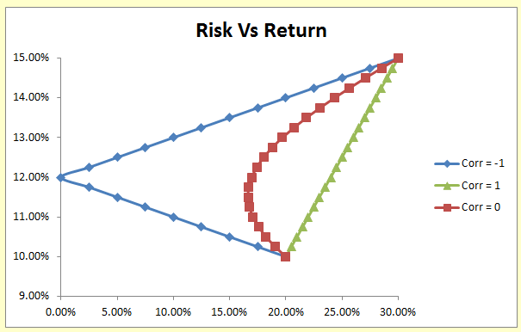
13.75% | 17.50% | 23.05% | 27.50%
14.00% | 20.00% | 24.33% | 28.00%
14.25% | 22.50% | 25.68% | 28.50%
14.50% | 25.00% | 27.07% | 29.00%
14.75% | 27.50% | 28.52% | 29.50%
15.00% | 30.00% | 30.00% | 30.00%

Q1 (2)
Using the data given in Table 1 below perform the following steps 1. Create a scatter plot for the data below, the plot should be similar to the image shown. 2. The data shows portfolio return and the risk when the correlation = 0 , 1 and -1 . 3. You will use data in column C9 to C29 in Y axis, The data in Column D9 to D29, F9 to F29 and H9 to H29 should be used in X axis 4. Insert Chart title as "Risk Vs Return". 5. Legends should be in the right, with value Corr = -0.5, Corr = 0 and Corr = 0.5 6. Vertical Axis minimum value should be 0.095 and maximum value should be 0.155 7. Horizontal Axis Minimum Value should be 0.1 and maximum value should be 0.3

 | Risk for different correlation
 | corr
return | -0.5 | 0 | 0.5
10.00% | 20.00% | 20.00% | 20.00%
10.25% | 18.30% | 19.06% | 19.79%
10.50% | 16.70% | 18.25% | 19.67%
10.75% | 15.26% | 17.59% | 19.64%
11.00% | 14.00% | 17.09% | 19.70%
11.25% | 12.99% | 16.77% | 19.84%
11.50% | 12.29% | 16.64% | 20.07%
11.75% | 11.95% | 16.71% | 20.39%
12.00% | 12.00% | 16.97% | 20.78%
12.25% | 12.44% | 17.41% | 21.25%
12.50% | 13.23% | 18.03% | 21.79%
12.75% | 14.31% | 18.79% | 22.40%
13.00% | 15.62% | 19.70% | 23.07%
13.25% | 17.11% | 20.72% | 23.79%
13.50% | 18.73% | 21.84% | 24.56%
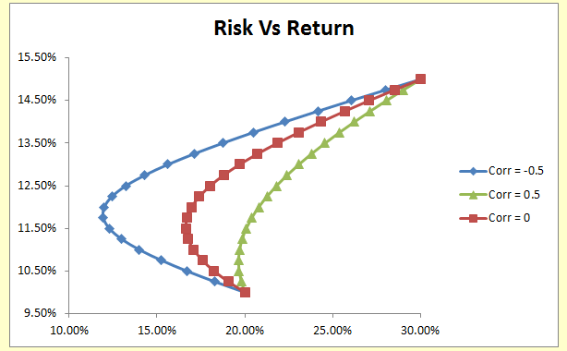
13.75% | 20.46% | 23.05% | 25.37%
14.00% | 22.27% | 24.33% | 26.23%
14.25% | 24.14% | 25.68% | 27.12%
14.50% | 26.06% | 27.07% | 28.05%
14.75% | 28.01% | 28.52% | 29.01%
15.00% | 30.00% | 30.00% | 30.00%

Q1 (3)
Using the data given in Table 1 below perform the following steps 1. Create a scatter plot for the data below, the plot should be similar to the image shown. 2. The data shows portfolio return and the risk when the correlation = 0 , 1 and -1 . 3. You will use data in column C9 to C29 in Y axis, The data in Column E9 to E29, H9 to H29 and L9 to L29 should be used in X axis 4. Insert Chart title as "Risk Vs Return". 5. Legends should be in the right, with value Corr = -1, Corr = 0.5 and Corr = -0.5 6. Vertical Axis minimum value should be 0.097 and maximum value should be 0.16 7. Horizontal Axis Maximum Value should be 0.33

 | Risk for different correlation
 | corr
return | -1 | 0.5 | -0.5
10.00% | 20.00% | 20.00% | 20.00%
10.25% | 17.50% | 19.79% | 18.30%
10.50% | 15.00% | 19.67% | 16.70%
10.75% | 12.50% | 19.64% | 15.26%
11.00% | 10.00% | 19.70% | 14.00%
11.25% | 7.50% | 19.84% | 12.99%
11.50% | 5.00% | 20.07% | 12.29%
11.75% | 2.50% | 20.39% | 11.95%
12.00% | 0.00% | 20.78% | 12.00%
12.25% | 2.50% | 21.25% | 12.44%
12.50% | 5.00% | 21.79% | 13.23%
12.75% | 7.50% | 22.40% | 14.31%
13.00% | 10.00% | 23.07% | 15.62%
13.25% | 12.50% | 23.79% | 17.11%
13.50% | 15.00% | 24.56% | 18.73%
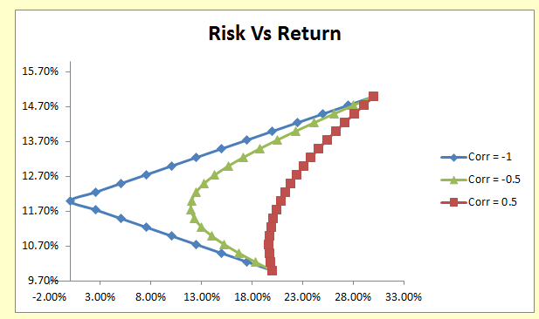
13.75% | 17.50% | 25.37% | 20.46%
14.00% | 20.00% | 26.23% | 22.27%
14.25% | 22.50% | 27.12% | 24.14%
14.50% | 25.00% | 28.05% | 26.06%
14.75% | 27.50% | 29.01% | 28.01%
15.00% | 30.00% | 30.00% | 30.00%

